Garden Layout
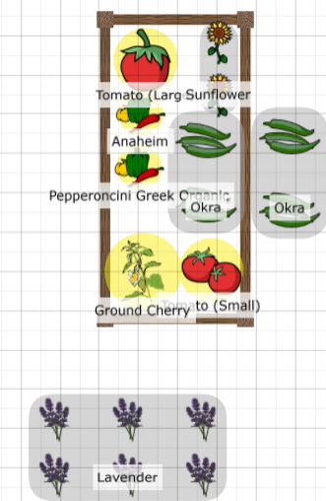
House

Sweet Corn Cocozelle Zuks | Sweet Corn Cocozelle Zuks | Sweet Corn Grey Zuks | Sweet Corn Grey Zuks | Sweet Corn Round Zuks | Sweet Corn Round Zuks | Sweet Corn Golden Zuks | Sweet Corn Golden Zuks | Patio

Silver Queen Corn Cocozelle Zuks | Silver Queen Corn Cocozelle Zuks | Silver Queen Corn Grey Zuks | Silver Queen Corn Grey Zuks | Silver Queen Corn Round Zuks | Silver Queen Corn Round Zuks | Silver Queen Corn Golden Zuks | Silver Queen Corn Golden Zuks

 |  | House |  | Composter | Round Zukes

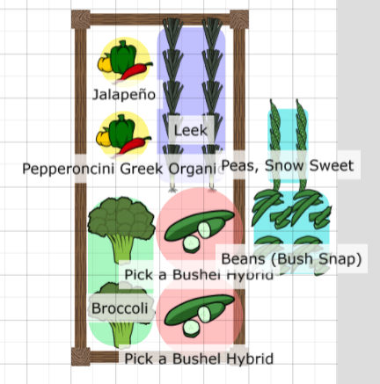
 |  |  |  | Composter

 |  | Deck |  | Corn Summer Squash | Corn Summer Squash

 |  |  |  | Corn Golden Zuks | Corn Golden Zuks

 |  |  |  | Corn Black Beauty Zuks | Corn Black Beauty Zuks

